Raw 2022 Season Data
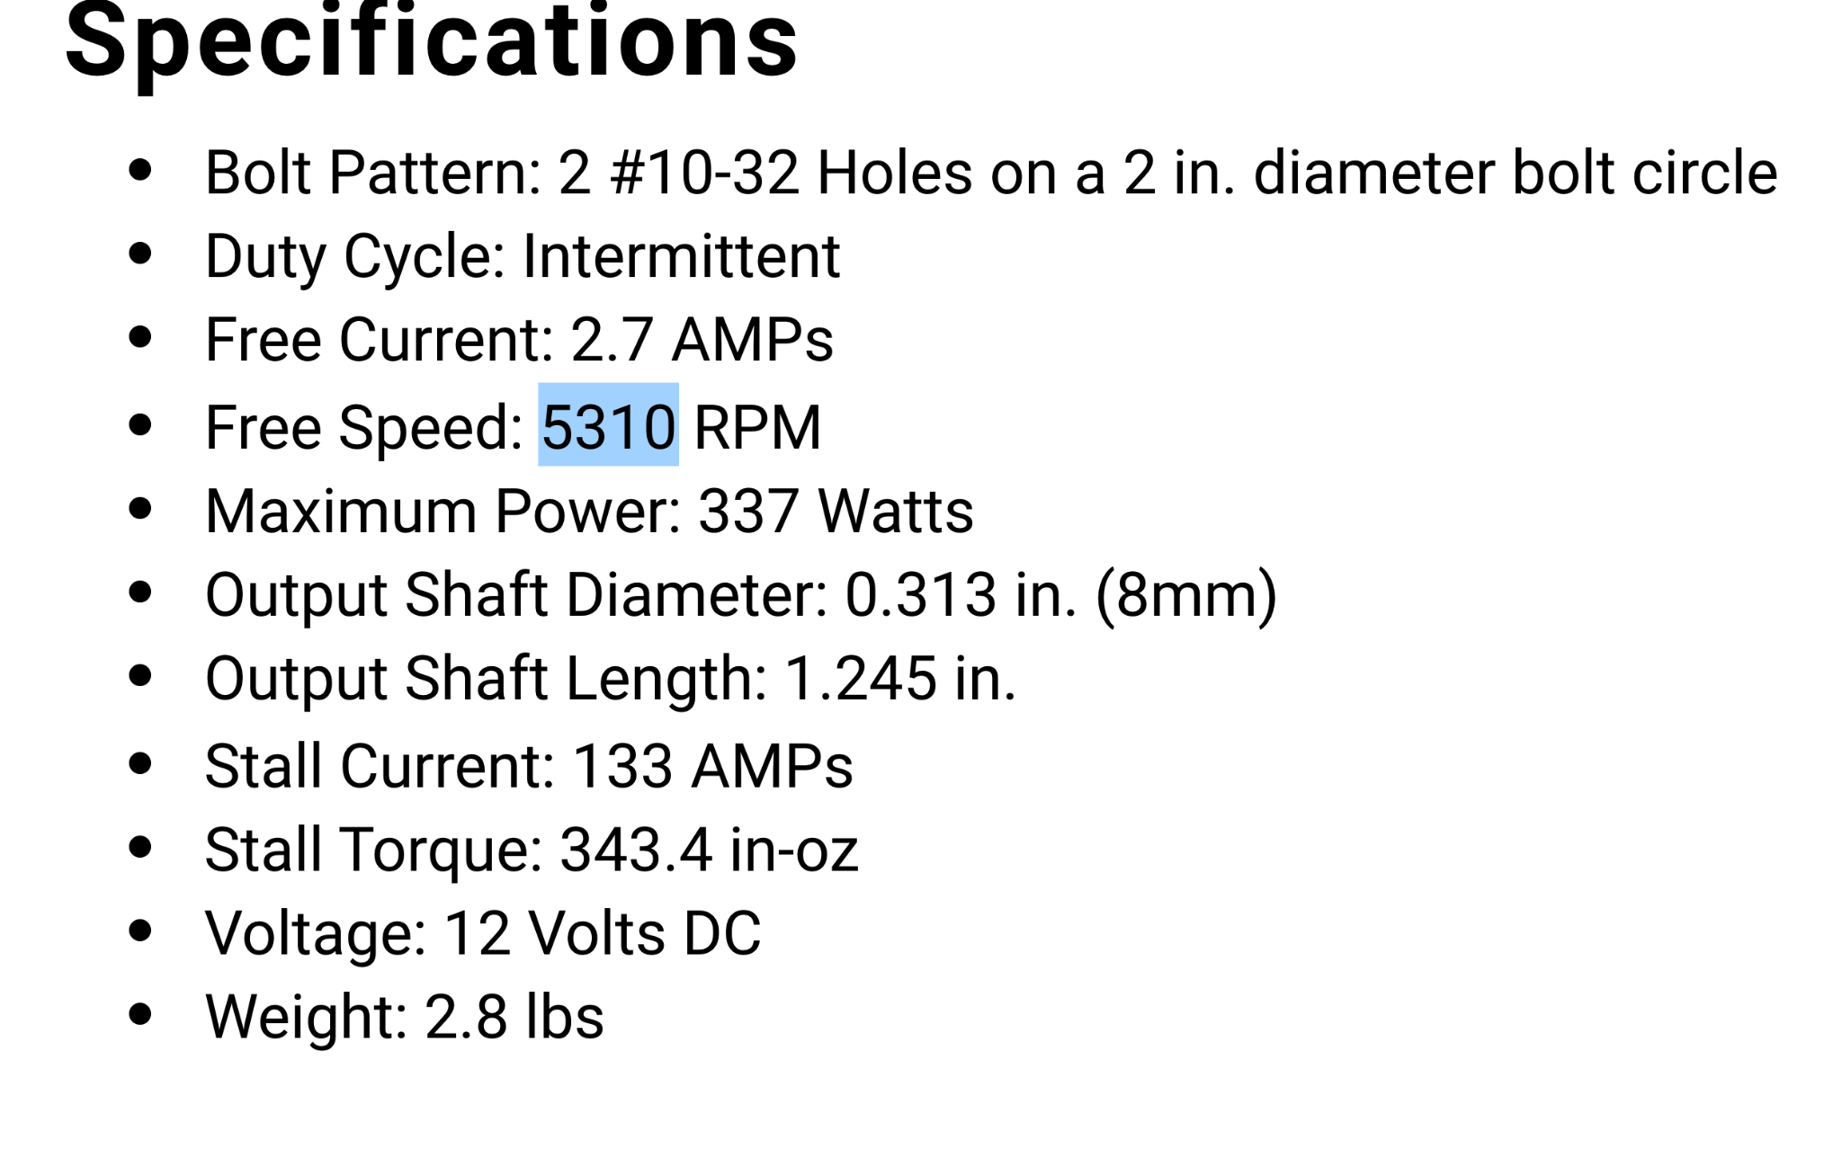
No load speed | 5310 | rpm
No load speed | 556.062 | rad/sec
stall current | 133.000 | amps
stall torque | 343.000 | in-oz
stall torque | 2.422 | Nm
nominal voltage | 12.000 | volts
Back EMF | 0.022
Torque constant | 0.018
motor resitance | 0.090

load current | 30.000 | amps
voltage needed for current | 2.707
voltage for movement | 9.293
movement | 430.634 | rad/sec
transmission ratio | 64.000
output movement | 6.729 | rad/sec
sprocket diameter | 0.045 | m
chain speed | 0.303 | m/s
distance | 0.400 | m
time for 1 meter | 1.320 | s

gearbox efficency | 0.500
output torque | 17.483 | Nm
 | 154.737 | in lb

lifting force | 1553.096 | N | 348.6541315 | lbs
 |  |  | 135
lifting bar up | 2.000 |  | 2.582623196
lifting bar down | 3.000
rotate locks on | 2.000
lifting up | 2.000
rotate back | 2
lifting arm up | 6.000
lifting arm down | 1
rotating arm grabs | 3.000
lifting up | 2.000
rotate back | 2
lift up | 6.000
lifting arm down | 1
rotating arm grabs | 3.000
 | 35.000

